From Fusion 360
SubAssy | Category | Item |  | Part Name | Part Description | Make/Buy | QTY | provided | provision notes | Comment | Vendor | Vendor URL
XYHD12 | Hardware | 23 |  | M3X10_CapScrew_92290A115 | Screw, Cap - M3X10mm | Buy |  | 50 | 304 stainless
XYHD12 | Hardware | 25 |  | M3X2020_T-Nut | Nut, TSlot - M3X2020 For X Axis | Buy |  | 16 | carbon steel |  | AliExpress
ZR_V2.5 ZR_V2.6 | Hardware | 22 | 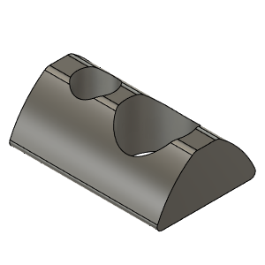 | M5X2020_T-Nut_91239A224 | Nut, T-Slot - M5 for 2020 profile | Buy |  | 10 | carbon steel
XYHD12 | Hardware | 26 |  | M3X3030_TSlot_Nut | Nut, TSlot - M3X3030 for Y Axis | Buy |  | 52 | carbon steel |  | AliExpress | https://s.click.aliexpress.com/e/_AL5GuY
XYHD12 | Hardware | 29 |  | M3X8_CapScrew_92290A113 | Screw, Cap - M3X8mm | Buy |  | 21 | 304 stainless
OPTION_HD12_CFX TopRail_MGN9 | Hardware | 7 | 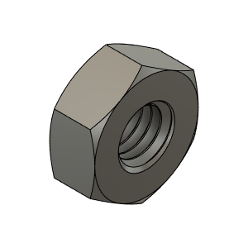 | M3_Nut_94150A325 | Nut, Hex - M3 | Buy |  | 30 | 304 stainless
OPTION_HD12_CFX TopRail_MGN9 | Hardware | 8 | 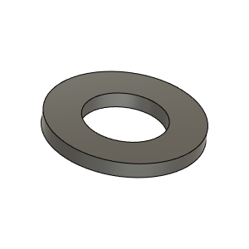 | M3_Washer_Flat_98690A110 | Washer, Flat - M3 | Buy |  | 18 | 304 stainless

